36-10-0254-01
Archived - Gross domestic product (GDP), income-based, annual, 1961 - 2011 (x 1,000,000)
Annual
Table: 36-10-0254-01 (formerly CANSIM 380-0016)
Geography: Canada

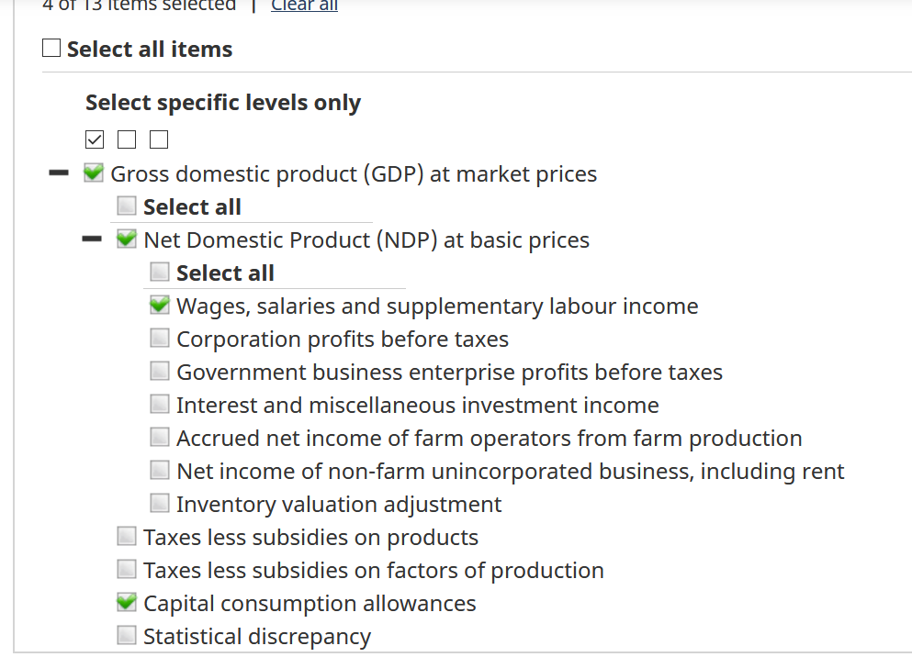
 | Canada
Reference period | Gross domestic product (GDP) at market prices | Net Domestic Product (NDP) at basic prices | Wages, salaries and supplementary labour income | Capital consumption allowances | Taxes less subsidies on factors of production | Taxes less subsidies on products | taxes total
 | Dollars
1961 | 41,173 | 33,195 | 21,184 | 5,014 | 1,877 | 2,873 | 4,750
1962 | 44,665 | 36,039 | 22,785 | 5,365 | 2,020 | 3,309 | 5,329
1963 | 47,961 | 38,749 | 24,318 | 5,717 | 2,157 | 3,449 | 5,606
1964 | 52,549 | 42,272 | 26,580 | 6,178 | 2,364 | 4,000 | 6,364
1965 | 57,930 | 46,460 | 29,630 | 6,735 | 2,585 | 4,611 | 7,196
1966 | 64,818 | 52,047 | 33,508 | 7,426 | 2,861 | 5,092 | 7,953
1967 | 69,698 | 55,898 | 37,067 | 8,076 | 3,185 | 5,594 | 8,779
1968 | 76,131 | 61,328 | 40,297 | 8,679 | 3,549 | 6,030 | 9,579
1969 | 83,825 | 67,867 | 45,065 | 9,485 | 3,924 | 6,681 | 10,605
1970 | 90,179 | 72,404 | 48,851 | 10,335 | 4,297 | 6,958 | 11,255
1971 | 98,429 | 78,924 | 53,555 | 11,241 | 4,633 | 7,638 | 12,271
1972 | 109,913 | 88,883 | 60,109 | 12,207 | 5,046 | 8,821 | 13,867
1973 | 128,956 | 104,926 | 69,243 | 14,203 | 5,505 | 10,132 | 15,637
1974 | 154,038 | 125,939 | 82,571 | 17,182 | 6,179 | 11,949 | 18,128
1975 | 173,621 | 144,412 | 96,306 | 19,676 | 7,174 | 10,183 | 17,357
1976 | 199,994 | 165,824 | 111,412 | 22,462 | 8,743 | 12,649 | 21,392
1977 | 220,973 | 181,850 | 123,390 | 24,905 | 10,003 | 13,782 | 23,785
1978 | 244,877 | 202,921 | 134,216 | 27,808 | 11,105 | 14,325 | 25,430
1979 | 279,577 | 232,726 | 150,946 | 32,073 | 11,606 | 15,029 | 26,635
1980 | 314,390 | 263,313 | 170,642 | 37,212 | 13,283 | 14,609 | 27,892
1981 | 360,471 | 297,047 | 196,716 | 43,012 | 15,983 | 21,953 | 37,936
1982 | 379,859 | 311,279 | 210,085 | 46,717 | 18,098 | 22,587 | 40,685
1983 | 411,386 | 338,448 | 220,282 | 49,648 | 19,873 | 22,420 | 42,293
1984 | 449,582 | 371,211 | 237,248 | 53,316 | 20,776 | 24,283 | 45,059
1985 | 485,714 | 400,200 | 255,826 | 58,365 | 21,963 | 27,247 | 49,210
1986 | 512,541 | 416,327 | 272,755 | 62,640 | 23,318 | 33,003 | 56,321
1987 | 558,949 | 453,342 | 296,442 | 66,253 | 25,536 | 38,049 | 63,585
1988 | 613,094 | 500,203 | 325,248 | 70,477 | 27,744 | 44,210 | 71,954
1989 | 657,728 | 532,119 | 350,743 | 75,940 | 31,066 | 50,055 | 81,121
1990 | 679,921 | 549,182 | 368,891 | 82,244 | 36,124 | 48,517 | 84,641
1991 | 685,367 | 550,199 | 379,091 | 85,906 | 38,564 | 49,275 | 87,839
1992 | 700,480 | 557,995 | 387,788 | 89,573 | 40,976 | 51,378 | 92,354
1993 | 727,184 | 576,833 | 394,816 | 94,035 | 42,877 | 54,350 | 97,227
1994 | 770,873 | 613,352 | 404,918 | 99,631 | 44,329 | 56,721 | 101,050
1995 | 810,426 | 644,818 | 418,825 | 105,021 | 45,441 | 59,758 | 105,199
1996 | 836,864 | 664,294 | 428,792 | 110,818 | 47,040 | 61,126 | 108,166
1997 | 882,733 | 700,063 | 453,073 | 116,574 | 47,821 | 66,025 | 113,846
1998 | 914,973 | 723,487 | 475,335 | 122,659 | 48,899 | 68,439 | 117,338
1999 | 982,441 | 780,786 | 502,726 | 128,999 | 50,673 | 72,747 | 123,420
2000 | 1,076,577 | 863,254 | 545,204 | 137,425 | 51,693 | 76,647 | 128,340
2001 | 1,108,048 | 884,203 | 570,008 | 147,536 | 52,650 | 75,871 | 128,521
2002 | 1,152,905 | 912,615 | 593,307 | 155,567 | 53,916 | 84,139 | 138,055
2003 | 1,213,175 | 967,051 | 621,003 | 161,817 | 56,072 | 84,380 | 140,452
2004 | 1,290,906 | 1,033,888 | 657,249 | 167,823 | 59,219 | 89,603 | 148,822
2005 | 1,373,845 | 1,104,878 | 695,093 | 176,246 | 61,982 | 93,302 | 155,284
2006 | 1,450,405 | 1,169,911 | 743,392 | 185,201 | 64,536 | 96,052 | 160,588
2007 | 1,529,589 | 1,233,670 | 784,885 | 196,346 | 67,900 | 98,816 | 166,716
2008 | 1,603,418 | 1,299,791 | 818,563 | 209,257 | 70,586 | 94,190 | 164,776
2009 | 1,528,985 | 1,216,467 | 814,707 | 219,445 | 71,202 | 92,862 | 164,064
2010 | 1,624,608 | 1,296,816 | 849,618 | 229,331 | 73,961 | 98,667 | 172,628
2011 | 1,720,748 | 1,375,377 | 889,487 | 241,673 | 76,759 | 103,221 | 179,980

CAGR 1981-2011 | 5.35 | 5.24 | 5.16 | 5.92 | 5.37 | 5.30 | 5.3268486384
Symbol legend:
Footnotes:

How to cite: Statistics Canada. Table 36-10-0254-01 Gross domestic product (GDP), income-based, annual, 1961 - 2011 (x 1,000,000)
h
DOI: https://doi.org/10.25318/3610025401-eng

